Ventilation
 Ventilation Phius On-site Quality Control

The Rater is responsible for verifying all items on this worksheet. Ventilation air volume measurements may be verified by a third-party air balancing contractor (i.e., not the installing contractor but a separate third-party commissioning agent) so long as the Rater verifies a minimum of 10% of all measurements.

1.0 | Dwelling Unit Ventilation System Installation |  |  |  |  |  |  |  |  |  |  |  |  |  | Rater Confirmed | N/A | PROG. REQ.
 | 1.1 |  |  |  |  |  |  |  |  |  | 1.2 |  | 1.6 | 1.8 |  |  | Phius
 | System Type |  |  | Manufacturer |  | Model # |  |  | Quantity |  | Photo(s) Provided |  | MERV | Duct R-Value
 | [Select]
 | [Select]
 | [Select]
1.3 | 1.3a | All ventilation air inlets located ≥ 10' ("stretched-string distance") from known contamination sources. |  |  |  |  |  |  |  |  |  |  |  |  |  |  | ENERGY STAR
 | 1.3b | All ventilation air inlets located ≥ 5' from ventilation exhaust outlet, recommended 10' |  |  |  |  |  |  |  |  |  |  |  |  |  |  | Phius
1.4 | Ventilation air inlets are not obstructed by snow, plantings, outdoor equipment, or other material at the time of inspection and comply with either: |  |  |  |  |  |  |  |  |  |  |  |  |  |  |  | ENERGY STAR
 | 1.4.1 | Project in Climate Zones 1-3: ≥ 2' above grade and/or roof deck
 | 1.4.2 | Project in Climate Zones 4-8: ≥ 4' above grade and/or roof deck
1.5 | Ventilation air comes directly from outdoors, not from adjacent dwelling units, common spaces, garages, crawlspaces or attics. |  |  |  |  |  |  |  |  |  |  |  |  |  |  |  | ENERGY STAR
1.6 | Outside air passes through a minimum MERV 8 filter prior to distribution. |  |  |  |  |  |  |  |  |  |  |  |  |  |  |  | EPA IAP
1.7 | Outside air filter is located to facilitate regular service by the occupant and/or building superintendent. |  |  |  |  |  |  |  |  |  |  |  |  |  |  |  | ENERGY STAR
1.8 | Air-sealed, class 1 vapor retarder shall be installed over all air-permeable insulation (such as fiberglass duct wrap) on ventilation ducts connected to outside. Vapor retarder is continous and sealed to building air barrier and ventialtion unit with no gaps, breaks or holes. |  |  |  |  |  |  |  |  |  |  |  |  |  |  |  | Phius
1.9 | Provision made to supply fresh air to all bedrooms in dwelling units and comply with either 1.9.1 or 1.9.2. |  |  |  |  |  |  |  |  |  |  |  |  |  |  |  | Phius
 | 1.9.1 | Dedicated fresh air supply ventilation ductwork installed to all bedrooms. |  |  |  |  |  |  |  |  |  |  |  |  | [Select]
 | 1.9.2 | Fresh air supply ventilation ductwork integrated with heating/cooling ductwork. |  |  |  |  |  |  |  |  |  |  |  |  | [Select]
 | 1.9.2.1 |  | ERV/HRV remains in balance under all fan speeds of the heating/cooling air handler. |  |  |  |  |  |  |  |  |  |  | Pending
 | 1.9.2.2 |  | Air handler fan designed to run continuously by default. |  |  |  |  |  |  |  |  |  |  | Pending
 | 1.9.3 | Bedrooms are pressure balanced to achieve a Verifier measured pressure difference of no more than 1 Pa with respect to the main body of the apartment when all bedroom doors are closed and just the ventilation system is operating at design speed. (Fill out Section 2.3) |  |  |  |  |  |  |  |  |  |  |  |  | -
1.10 | Rater/Verifier - measured bathroom exhaust rates meets one of the following: |  |  |  |  |  |  |  |  |  |  |  |  |  |  |  | ENERGY STAR
 | 1.10.1 | ≥20cfm continuous. |  |  |  |  |  |  |  |  |  |  |  |  | [Select]
 | 1.10.2 | ≥50 cfm intermittent. |  |  |  |  |  |  |  |  |  |  |  |  | [Select]
1.12 | Direct exhaust bath fans ENERGY STAR rated; <= 1 sone |  |  |  |  |  |  |  |  |  |  |  |  |  |  |  | ENERGY STAR
1.11 | Rater/Verifier - measured kitchen exhaust rates meets one of the following: |  |  |  |  |  |  |  |  |  |  |  |  |  |  |  | ENERGY STAR
 | 1.11.1 | ≥25cfm continuous. |  |  |  |  |  |  |  |  |  |  |  |  | [Select]
 | 1.11.2 | ≥100cfm intermittent for direct exhaust range hood(s). |  |  |  |  |  |  |  |  |  | (Enter Airflow) [cfm] |  |  | [Select]
 | 1.11.3 | ≥5ACH based on kitchen volume. |  |  |  |  |  |  |  |  |  |  |  |  | [Select]
1.13 | ERV/HRV exhaust register in kitchen: |  |  |  |  |  |  |  |  |  |  |  |  |  | [Select] |  | Phius
 | 1.13.1 | Exhaust register installed ≥ 6' from cooktop. ("stretched-string distance") |  |  |  |  |  |  |  |  |  |  |  |  | [Select]
 | Confirm which type of filter for trapping grease installed (MERV 3+ or Washable Mesh) |  |  |  |  |  |  |  |  |  |  |  |  |  | [Select]
 | Recirculating hood over range installed. |  |  |  |  |  |  |  |  |  |  |  |  |  | [Select]
1.13 | Check all types of clothes dryer(s) installed: |  |  |  |  |  |  |  |  |  |  |  |  |  |  |  | EPA IAP
 | 1.13.1 | Condensing Dryer
 | 1.13.2 | Heat Pump Dryer
 | 1.13.3 | Exhaust Air Dryer with exhaut ducted to the outside

2 | Ventilation System Airflow Testing Verification
 | Where ventilation system has independent ductwork for supply and/or exhaust, branch airflow testing is to be performed by Phius Certified Rater.
 |  |  |  |  |  |  |  |  |  |  |  |  | Status
2.1 | Total airflow at unit (HRV/ERV) at maximum speed setting. |  |  |  |  |  |  | E/HRV # | Design Airflow (cfm) |  | Verified Airflow (cfm) |  | Verified ≥ Design |  | Within 10% of each other
 |  |  |  |  |  |  |  |  | Supply | Exhaust | Supply | Exhaust | Supply | Exhaust
 |  |  |  |  |  |  |  |  |  |  |  |  | - | - | -
 |  |  |  |  |  |  |  |  |  |  |  |  | - | - | -
 |  |  |  |  |  |  |  |  |  |  |  |  | - | - | - |  |  | `
2.2 | Ventilation system(s) at max has capacity to exchange 0.30 ACH |  |  |  |  |  |  |  |  |  | Net Volume (ft3) |  | Total Airflow (cfm) |  | ≥0.3 ACH
 |  |  |  |  |  |  |  |  |  |  |  |  | Supply | Exhuast
 |  |  |  |  |  |  |  |  |  |  |  |  |  |  | -

2.3 | Typical 24/7 Supply Design Airflow Rates
 | The ventilation rates of the individual diffusers should be measured at the typical 24/7 ventilation rate. For additional E/HRVs, duplicate this tab. |  |  |  |  |  |  |  |  |  | Airflow (cfm) |  | Room Pressure Difference [Pa] | Status
 | E/HRV # |  | Dwelling Unit # |  | Supply Room Name |  | Room Type |  |  |  | Design (cfm) | Verified (cfm) |  | ≥Design | Within +5cfm or +20% | <1 Pa Pressure Difference

 | 2.3.1 |  |  |  | enter supply branch name here |  | [Select Room Type] |  |  |  |  |  |  | - | - | -
 |  |  |  |  | enter supply branch name here |  | [Select Room Type] |  |  |  |  |  |  | - | - | -
 |  |  |  |  | enter supply branch name here |  | [Select Room Type] |  |  |  |  |  |  | - | - | -
 |  |  |  |  | enter supply branch name here |  | [Select Room Type] |  |  |  |  |  |  | - | - | -
 |  |  |  |  | enter supply branch name here |  | [Select Room Type] |  |  |  |  |  |  | - | - | -
 |  |  |  |  | enter supply branch name here |  | [Select Room Type] |  |  |  |  |  |  | - | - | -
 |  |  |  |  | enter supply branch name here |  | [Select Room Type] |  |  |  |  |  |  | - | - | -
 |  |  |  |  | enter supply branch name here |  | [Select Room Type] |  |  |  |  |  |  | - | - | -
 |  |  |  |  | enter supply branch name here |  | [Select Room Type] |  |  |  |  |  |  | - | - | -

 | E/HRV # |  | Dwelling Unit # |  | Supply Room Name |  | Room Type |  |  |  | Design (cfm) | Verified (cfm) |  | ≥Design | Within +5cfm or +20% | <1 Pa Pressure Difference

 | 2.3.2 |  |  |  | enter supply branch name here |  | [Select Room Type] |  |  |  |  |  |  | - | - | -
 |  |  |  |  | enter supply branch name here |  | [Select Room Type] |  |  |  |  |  |  | - | - | -
 |  |  |  |  | enter supply branch name here |  | [Select Room Type] |  |  |  |  |  |  | - | - | -
 |  |  |  |  | enter supply branch name here |  | [Select Room Type] |  |  |  |  |  |  | - | - | -
 |  |  |  |  | enter supply branch name here |  | [Select Room Type] |  |  |  |  |  |  | - | - | -
 |  |  |  |  | enter supply branch name here |  | [Select Room Type] |  |  |  |  |  |  | - | - | -
 |  |  |  |  | enter supply branch name here |  | [Select Room Type] |  |  |  |  |  |  | - | - | -
 |  |  |  |  | enter supply branch name here |  | [Select Room Type] |  |  |  |  |  |  | - | - | -
 |  |  |  |  | enter supply branch name here |  | [Select Room Type] |  |  |  |  |  |  | - | - | -
 | Sum of supply branches (for reference only)
 | E/HRV # |  | Dwelling Unit # |  | Supply Room Name |  | Room Type |  |  |  | Design (cfm) | Verified (cfm) |  | ≥Design | Within +5cfm or +20% | <1 Pa Pressure Difference

 | 2.3.3 |  |  |  | enter supply branch name here |  | [Select Room Type] |  |  |  |  |  |  | - | - | -
 |  |  |  |  | enter supply branch name here |  | [Select Room Type] |  |  |  |  |  |  | - | - | -
 |  |  |  |  | enter supply branch name here |  | [Select Room Type] |  |  |  |  |  |  | - | - | -
 |  |  |  |  | enter supply branch name here |  | [Select Room Type] |  |  |  |  |  |  | - | - | -
 |  |  |  |  | enter supply branch name here |  | [Select Room Type] |  |  |  |  |  |  | - | - | -
 |  |  |  |  | enter supply branch name here |  | [Select Room Type] |  |  |  |  |  |  | - | - | -
 |  |  |  |  | enter supply branch name here |  | [Select Room Type] |  |  |  |  |  |  | - | - | -
 |  |  |  |  | enter supply branch name here |  | [Select Room Type] |  |  |  |  |  |  | - | - | -
 |  |  |  |  | enter supply branch name here |  | [Select Room Type] |  |  |  |  |  |  | - | - | -
 | Sum of supply branches (for reference only)

2.4 | Typical 24/7 Exhaust Design Airflow Rates
 | The ventilation rates of the individual diffusers should be measured at the typical 24/7 ventilation rate. For additional E/HRVs, duplicate this tab. |  |  |  |  |  |  |  |  |  | Airflow |  |  | Status
 | E/HRV # |  | Dwelling Unit # |  | Exhaust Room Name |  | Room Type |  |  |  | Design (cfm) | Verified (cfm) |  | ≥Design | Within +5cfm or +20% | ≥Minimum

 | 2.4.1 |  |  |  | enter exhaust branch name here |  | -Select Room- |  |  |  |  |  |  | - | - | -
 |  |  |  |  | enter exhaust branch name here |  | -Select Room- |  |  |  |  |  |  | - | - | -
 |  |  |  |  | enter exhaust branch name here |  | -Select Room- |  |  |  |  |  |  | - | - | -
 |  |  |  |  | enter exhaust branch name here |  | -Select Room- |  |  |  |  |  |  | - | - | -
 |  |  |  |  | enter exhaust branch name here |  | -Select Room- |  |  |  |  |  |  | - | - | -
 |  |  |  |  | enter exhaust branch name here |  | -Select Room- |  |  |  |  |  |  | - | - | -
 |  |  |  |  | enter exhaust branch name here |  | -Select Room- |  |  |  |  |  |  | - | - | -
 |  |  |  |  | enter exhaust branch name here |  | -Select Room- |  |  |  |  |  |  | - | - | -
 |  |  |  |  | enter exhaust branch name here |  | -Select Room- |  |  |  |  |  |  | - | - | -
 | Sum of exhaust branches (for reference only)
 | E/HRV # |  | Dwelling Unit # |  | Exhaust Room Name |  | Room Type |  |  |  | Design (cfm) | Verified (cfm) |  | ≥Design | Within +5cfm or +20% | ≥Minimum

 | 2.4.2 |  |  |  | enter exhaust branch name here |  | -Select Room- |  |  |  |  |  |  | - | - | -
 |  |  |  |  | enter exhaust branch name here |  | -Select Room- |  |  |  |  |  |  | - | - | -
 |  |  |  |  | enter exhaust branch name here |  | -Select Room- |  |  |  |  |  |  | - | - | -
 |  |  |  |  | enter exhaust branch name here |  | -Select Room- |  |  |  |  |  |  | - | - | -
 |  |  |  |  | enter exhaust branch name here |  | -Select Room- |  |  |  |  |  |  | - | - | -
 |  |  |  |  | enter exhaust branch name here |  | -Select Room- |  |  |  |  |  |  | - | - | -
 |  |  |  |  | enter exhaust branch name here |  | -Select Room- |  |  |  |  |  |  | - | - | -
 |  |  |  |  | enter exhaust branch name here |  | -Select Room- |  |  |  |  |  |  | - | - | -
 |  |  |  |  | enter exhaust branch name here |  | -Select Room- |  |  |  |  |  |  | - | - | -
 | Sum of exhaust branches (for reference only)
 | E/HRV # |  | Dwelling Unit # |  | Exhaust Room Name |  | Room Type |  |  |  | Design (cfm) | Verified (cfm) |  | ≥Design | Within +5cfm or +20% | ≥Minimum

 | 2.4.3 |  |  |  | enter exhaust branch name here |  | -Select Room- |  |  |  |  |  |  | - | - | -
 |  |  |  |  | enter exhaust branch name here |  | -Select Room- |  |  |  |  |  |  | - | - | -
 |  |  |  |  | enter exhaust branch name here |  | -Select Room- |  |  |  |  |  |  | - | - | -
 |  |  |  |  | enter exhaust branch name here |  | -Select Room- |  |  |  |  |  |  | - | - | -
 |  |  |  |  | enter exhaust branch name here |  | -Select Room- |  |  |  |  |  |  | - | - | -
 |  |  |  |  | enter exhaust branch name here |  | -Select Room- |  |  |  |  |  |  | - | - | -
 |  |  |  |  | enter exhaust branch name here |  | -Select Room- |  |  |  |  |  |  | - | - | -
 |  |  |  |  | enter exhaust branch name here |  | -Select Room- |  |  |  |  |  |  | - | - | -
 |  |  |  |  | enter exhaust branch name here |  | -Select Room- |  |  |  |  |  |  | - | - | -
 | Sum of exhaust branches (for reference only)

2.5 | Total airflow at unit (HRV/ERV) for typical operation. |  |  |  |  |  |  | E/HRV # | Design Airflow (cfm) |  | Verified Airflow (cfm) |  | ≥Design |  | Within 10% of each other
 |  |  |  |  |  |  |  |  | Supply | Exhaust | Supply | Exhaust | Supply | Exhaust
 |  |  |  |  |  |  |  |  |  |  |  |  | - | - | -
 |  |  |  |  |  |  |  |  |  |  |  |  | - | - | -
 |  |  |  |  |  |  |  |  |  |  |  |  | - | - | -
2.6 | Measure power input (Watts) at typical 24/7 airflow setting |  |  |  |  |  |  | E/HRV # |  |  | Measured Fan Power Input (W) |  | Fan Power (W/cfm)
 |  |  |  |  |  |  |  |  |  |  |  |  | -
 |  |  |  |  |  |  |  |  |  |  |  |  | -
 |  |  |  |  |  |  |  |  |  |  |  |  | -

3 | Ventilation - Auxiliary Systems |  |  |  |  |  |  |  |  |  |  |  |  |  | Rater Confirmed | N/A | PROG. REQ.
3.1 | If installed, enter type of ERV/HRV defrost - electric, hot water loop from DHW tank, ground loop |  |  |  |  |  |  |  |  |  |  |  |  |  |  |  | Phius
3.2 | Project team has demonstrated the defrost control logic is set up properly
3.3 | Is there a ground loop ("brine loop") or earth tube installed?
 | 3.3.1 | Enter loop length and approximate depth
 | 3.3.2 | Measure loop pump power
 | 3.3.3 | Project team has demonstrated the ground loop / earth tube control logic is set up properly

DOE
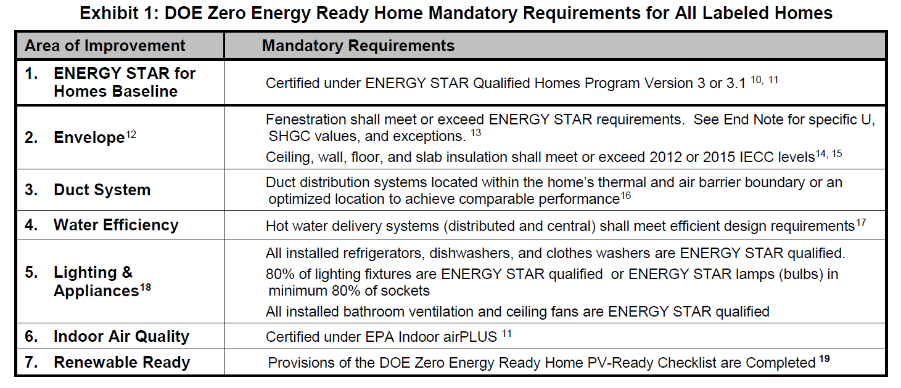

#REF!
#REF!

Appendix Calculators
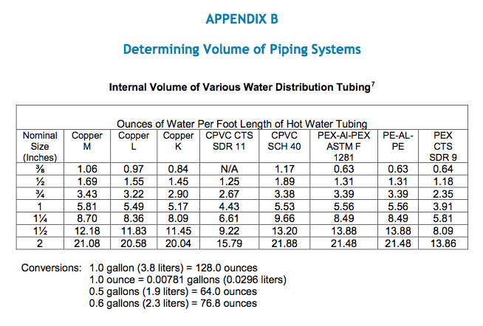
spreadsheet created by John Semmelhack
send comments to john@comfortsquad.us

Estimate depressurization, given an exhaust airflow rate and an estimated cfm50 blower door test result:
dP = 50*((cfmfan/cfm50)^(1/0.65))

cfmfan | cfm50 | dP
 |  | #DIV/0!

Estimate airflow with a given pressure difference and a known cfm50 result

cfm50 | dP | cfmdp
 |  | 0.000

Airflow in cfm of an unrestricted hole at a known pressure difference:
Airflow = (area of hole in2) x (Pa^0.5)

Hole | Pa | Airflow
 |  | 0

Volume of standing water calculator

 | Size |  | Type | Oz. per ft | Length | Ozs.
Trunk |  |  |  |  |  | 0
Branch |  |  |  |  |  | 0
Twig |  |  |  |  |  | 0
TOTAL |  |  |  |  |  | 0
TOTAL in gallons |  |  |  |  |  | 0.00

